Screen Details
Detailed Screen-by-Screen WCAG Audit
# | Screen Label | Annotated Screenshot | Activity | PASS | FAIL | Cannot Verify | Pass Rate | Status
1 | Screen-01 (iLearn App) |  state_2026-03-18_172341_annotated.png | .SubSettings | 15 | 1 | 0 | 93.8% | PASS
2 | Screen-02 (iLearn App) | 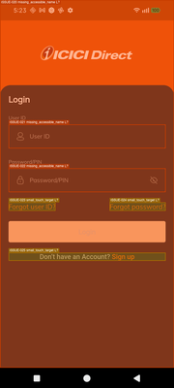 state_2026-03-18_172357_annotated.png | .SubSettings | 12 | 2 | 0 | 85.7% | PASS
3 | Screen-03 (iLearn App) | 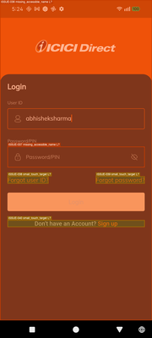 state_2026-03-18_172427_annotated.png | .SubSettings | 15 | 2 | 0 | 88.2% | PASS
4 | Screen-04 (iLearn App) | 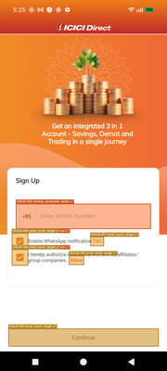 state_2026-03-18_172517_annotated.png | .SubSettings | 9 | 1 | 0 | 90.0% | PASS
5 | Screen-05 (iLearn App) | 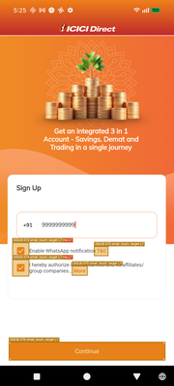 state_2026-03-18_172532_annotated.png | .SubSettings | 12 | 1 | 0 | 92.3% | PASS
6 | Screen-06 (iLearn App) | 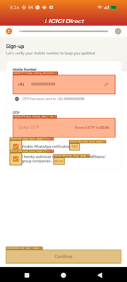 state_2026-03-18_172604_annotated.png | .SubSettings | 12 | 2 | 0 | 85.7% | PASS
7 | Screen-07 (iLearn App) | 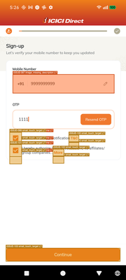 state_2026-03-18_172617_annotated.png | .SubSettings | 15 | 1 | 0 | 93.8% | PASS
8 | Screen-08 (iLearn App) | 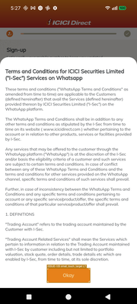 state_2026-03-18_172743_annotated.png | .SubSettings | 6 | 0 | 0 | 100.0% | PASS
9 | Screen-09 (iLearn App) | 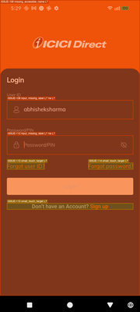 state_2026-03-18_172939_annotated.png | .SubSettings | 15 | 2 | 0 | 88.2% | PASS
10 | Screen-10 (iLearn App) | 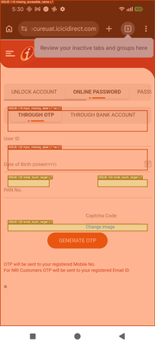 state_2026-03-18_173010_annotated.png | .SubSettings | 15 | 2 | 0 | 88.2% | PASS
11 | Screen-11 (iLearn App) | 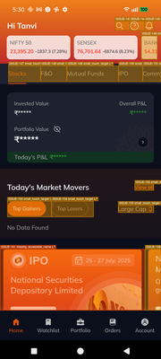 state_2026-03-18_173100_annotated.png | .SubSettings | 66 | 2 | 0 | 97.1% | PASS
12 | Screen-12 (iLearn App) | 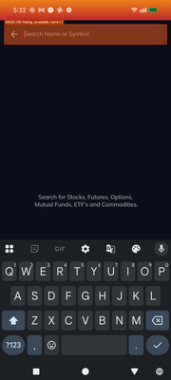 state_2026-03-18_173204_annotated.png | .SubSettings | 3 | 0 | 0 | 100.0% | PASS
13 | Screen-13 (iLearn App) | 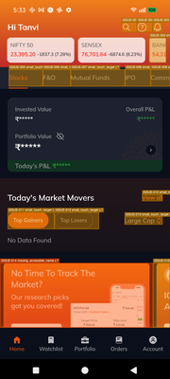 state_2026-03-18_173309_annotated.png | .SubSettings | 66 | 3 | 0 | 95.7% | PASS
14 | Screen-14 (iLearn App) |  state_2026-03-18_173324_annotated.png | .SubSettings | 3 | 0 | 0 | 100.0% | PASS
15 | Screen-15 (iLearn App) | 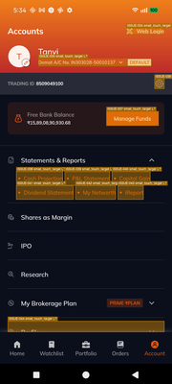 state_2026-03-18_173442_annotated.png | .SubSettings | 63 | 2 | 0 | 96.9% | PASS
16 | Screen-16 (iLearn App) | 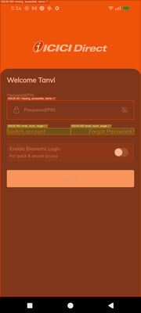 state_2026-03-18_173457_annotated.png | .SubSettings | 12 | 1 | 0 | 92.3% | PASS
17 | Screen-17 (iLearn App) | 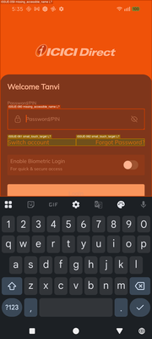 state_2026-03-18_173524_annotated.png | .SubSettings | 12 | 1 | 0 | 92.3% | PASS
18 | Screen-18 (iLearn App) | 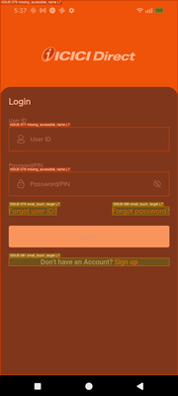 state_2026-03-18_173722_annotated.png | .SubSettings | 12 | 2 | 0 | 85.7% | PASS
19 | Screen-19 (iLearn App) | 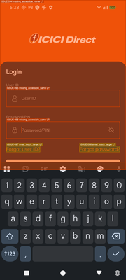 state_2026-03-18_173803_annotated.png | .SubSettings | 9 | 2 | 0 | 81.8% | PASS
20 | Screen-20 (iLearn App) |  state_2026-03-18_173918_annotated.png | .SubSettings | 9 | 1 | 0 | 90.0% | PASS
21 | Screen-21 (iLearn App) | 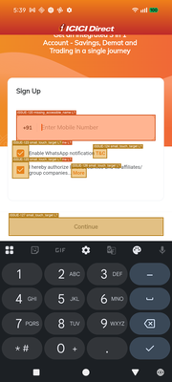 state_2026-03-18_173931_annotated.png | .SubSettings | 9 | 1 | 0 | 90.0% | PASS
22 | Screen-22 (iLearn App) | 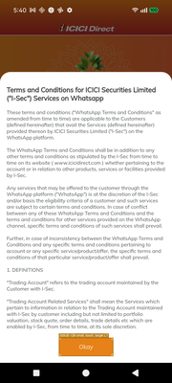 state_2026-03-18_174045_annotated.png | .SubSettings | 6 | 0 | 0 | 100.0% | PASS
23 | Screen-23 (iLearn App) |  state_2026-03-18_174125_annotated.png | .SubSettings | 9 | 1 | 0 | 90.0% | PASS
24 | Screen-24 (iLearn App) |  state_2026-03-18_174153_annotated.png | .SubSettings | 9 | 1 | 0 | 90.0% | PASS
25 | Screen-25 (iLearn App) | 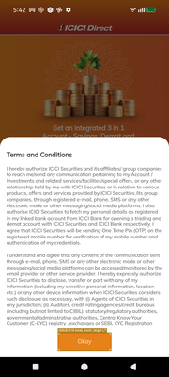 state_2026-03-18_174254_annotated.png | .SubSettings | 6 | 0 | 0 | 100.0% | PASS
26 | Screen-26 (iLearn App) | 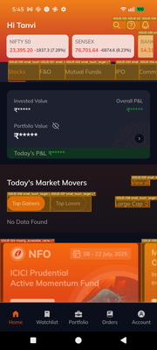 state_2026-03-18_174510_annotated.png | .SubSettings | 6 | 0 | 0 | 100.0% | PASS
27 | Screen-27 (iLearn App) | 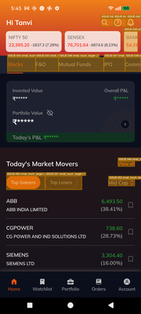 state_2026-03-18_174529_annotated.png | .SubSettings | 66 | 2 | 0 | 97.1% | PASS
28 | Screen-28 (iLearn App) |  state_2026-03-18_174536_annotated.png | .SubSettings | 63 | 2 | 0 | 96.9% | PASS
29 | Screen-29 (iLearn App) |  state_2026-03-18_174557_annotated.png | .SubSettings | 9 | 0 | 0 | 100.0% | PASS
30 | Screen-30 (iLearn App) | 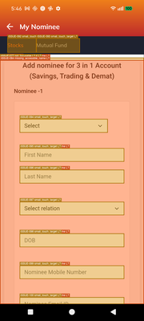 state_2026-03-18_174617_annotated.png | .SubSettings | 9 | 1 | 0 | 90.0% | PASS
31 | Screen-31 (iLearn App) | 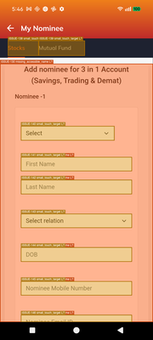 state_2026-03-18_174635_annotated.png | .SubSettings | 21 | 4 | 0 | 84.0% | PASS
32 | Screen-32 (iLearn App) | 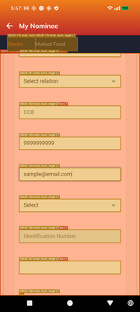 state_2026-03-18_174704_annotated.png | .SubSettings | 24 | 4 | 0 | 85.7% | PASS
33 | Screen-33 (iLearn App) | 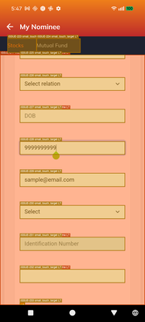 state_2026-03-18_174725_annotated.png | .SubSettings | 30 | 4 | 0 | 88.2% | PASS
34 | Screen-34 (iLearn App) |  state_2026-03-18_174852_annotated.png | .SubSettings | 9 | 0 | 0 | 100.0% | PASS
35 | Screen-35 (iLearn App) | 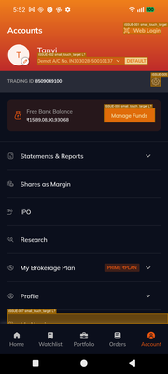 state_2026-03-18_175245_annotated.png | .SubSettings | 48 | 1 | 0 | 98.0% | PASS
36 | Screen-36 (iLearn App) |  state_2026-03-18_175302_annotated.png | .SubSettings | 12 | 1 | 0 | 92.3% | PASS
37 | Screen-37 (iLearn App) | 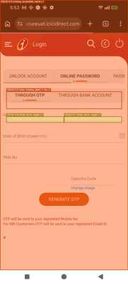 state_2026-03-18_175342_annotated.png | .SubSettings | 12 | 1 | 0 | 92.3% | PASS
38 | Screen-38 (iLearn App) | 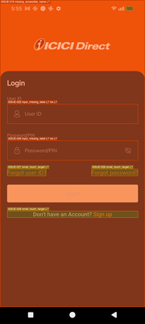 state_2026-03-18_175556_annotated.png | .SubSettings | 12 | 2 | 0 | 85.7% | PASS
39 | Screen-39 (iLearn App) | 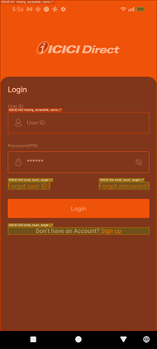 state_2026-03-18_175641_annotated.png | .SubSettings | 18 | 2 | 0 | 90.0% | PASS
40 | Screen-40 (iLearn App) |  state_2026-03-18_175710_annotated.png | .SubSettings | 18 | 2 | 0 | 90.0% | PASS
41 | Screen-41 (iLearn App) | 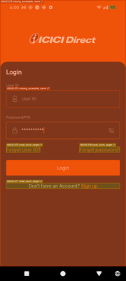 state_2026-03-18_180100_annotated.png | .SubSettings | 18 | 2 | 0 | 90.0% | PASS
42 | Screen-42 (iLearn App) |  state_2026-03-18_180144_annotated.png | .SubSettings | 18 | 2 | 0 | 90.0% | PASS
43 | Screen-43 (iLearn App) |  state_2026-03-18_180424_annotated.png | .SubSettings | 9 | 1 | 0 | 90.0% | PASS
44 | Screen-44 (iLearn App) |  state_2026-03-18_180504_annotated.png | .SubSettings | 6 | 0 | 0 | 100.0% | PASS
45 | Screen-45 (iLearn App) |  state_2026-03-18_180640_annotated.png | .SubSettings | 9 | 1 | 0 | 90.0% | PASS
46 | Screen-46 (iLearn App) |  state_2026-03-18_180719_annotated.png | .SubSettings | 12 | 1 | 0 | 92.3% | PASS
47 | Screen-47 (iLearn App) | 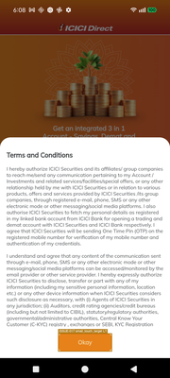 state_2026-03-18_180817_annotated.png | .SubSettings | 6 | 0 | 0 | 100.0% | PASS
48 | Screen-48 (iLearn App) |  state_2026-03-18_181229_annotated.png | .SubSettings | 9 | 1 | 0 | 90.0% | PASS
49 | Screen-49 (iLearn App) | 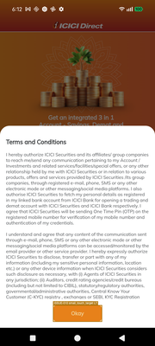 state_2026-03-18_181300_annotated.png | .SubSettings | 6 | 0 | 0 | 100.0% | PASS
50 | Screen-50 (iLearn App) |  state_2026-03-18_181442_annotated.png | .SubSettings | 12 | 1 | 0 | 92.3% | PASS
51 | Screen-51 (iLearn App) | 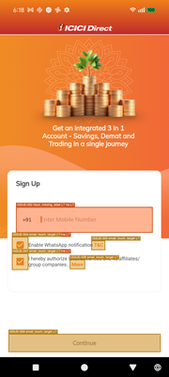 state_2026-03-18_181843_annotated.png | .SubSettings | 9 | 1 | 0 | 90.0% | PASS
52 | Screen-52 (iLearn App) |  state_2026-03-18_181937_annotated.png | .SubSettings | 6 | 0 | 0 | 100.0% | PASS
53 | Screen-53 (iLearn App) | 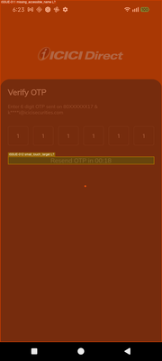 state_2026-03-18_182316_annotated.png | .SubSettings | 6 | 0 | 0 | 100.0% | PASS
54 | Screen-54 (iLearn App) | 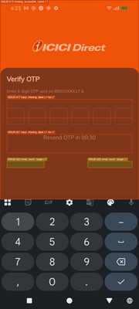 state_2026-03-18_182331_annotated.png | .SubSettings | 9 | 2 | 0 | 81.8% | PASS
55 | Screen-55 (iLearn App) | 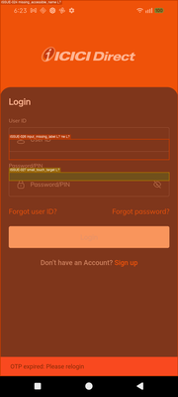 state_2026-03-18_182344_annotated.png | .SubSettings | 3 | 0 | 0 | 100.0% | PASS

